ANOVA (router wise)
Router 1_0
Source | Sum of Squares | Degrees of Freedom | F-statistic | p-value
C(type) | 0.8412 | 3 | 1.2736 | 0.2864
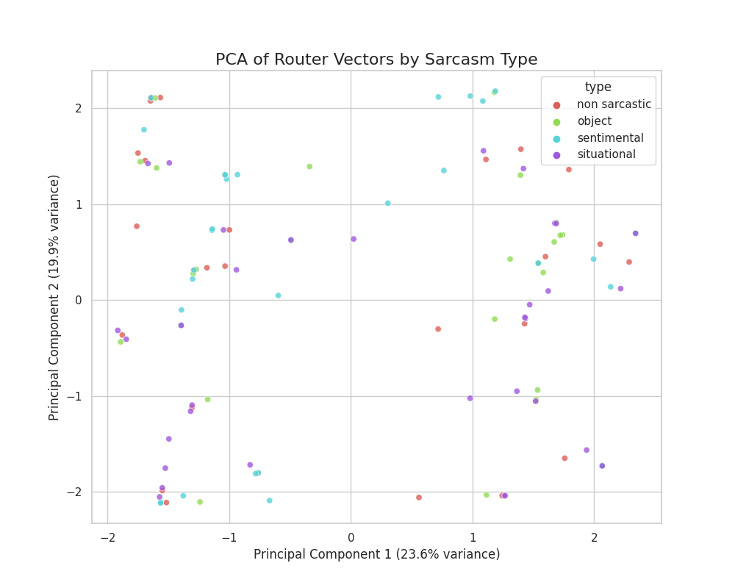
Residual | 27.2989 | 124

Router 1_1
Source | Sum of Squares | Degrees of Freedom | F-statistic | p-value
C(type) | 0.8412 | 3 | 1.2736 | 0.2864
Residual | 27.2989 | 124

Router 2_0
Source | Sum of Squares | Degrees of Freedom | F-statistic | p-value
C(type) | 0.5378 | 3 | 0.8232 | 0.4834
Residual | 26.9994 | 124

Router 2_1
Source | Sum of Squares | Degrees of Freedom | F-statistic | p-value
C(type) | 1.9761 | 3 | 3.2065 | 0.0255
Residual | 25.473 | 124

Router 2_2
Source | Sum of Squares | Degrees of Freedom | F-statistic | p-value
C(type) | 0.4741 | 3 | 0.8772 | 0.4549
Residual | 22.3401 | 124

Router 3_0
Source | Sum of Squares | Degrees of Freedom | F-statistic | p-value
C(type) | 0.242 | 3 | 0.489 | 0.6906
Residual | 20.4569 | 124

Router 3_1
Source | Sum of Squares | Degrees of Freedom | F-statistic | p-value
C(type) | 0.3845 | 3 | 0.7718 | 0.5119
Residual | 20.5924 | 124

Router 3_2
Source | Sum of Squares | Degrees of Freedom | F-statistic | p-value
C(type) | 0.4692 | 3 | 1.052 | 0.3722
Residual | 18.4375 | 124

Router 3_3
Source | Sum of Squares | Degrees of Freedom | F-statistic | p-value
C(type) | 0.1855 | 3 | 0.2997 | 0.8255
Residual | 25.5847 | 124

